Sheet1
Name | Learning Rate | Batch Size | n_steps | n_epochs | Accuracy Threshold | Changed Parameters | Explanation | Screenshot provided
Petar Paskalev | 0.0001 | 128 | 2048 | 10 | 0.0001 | learning rate | I changed the parameters and got a better score for 10 instaces that was enough to pass the criteria. I also used two million steps for the whole | 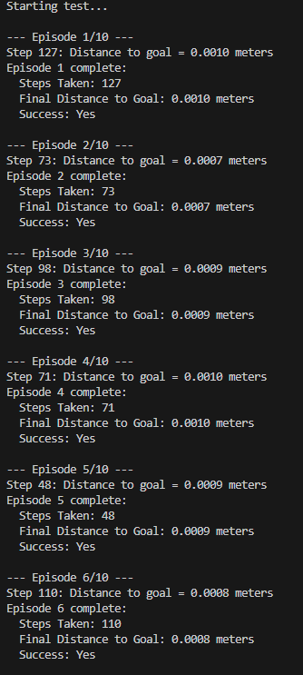
Meijer Niels | 0.0003 | 64 | 2048 | 10 | 0.0001 |  | Baseline
Ludwiczak Jędrzej
Wang Gabriel | 0.0002 | 128 |  | 10 | 0.0001 | learning rate
Kees Klijs

